Test Plan
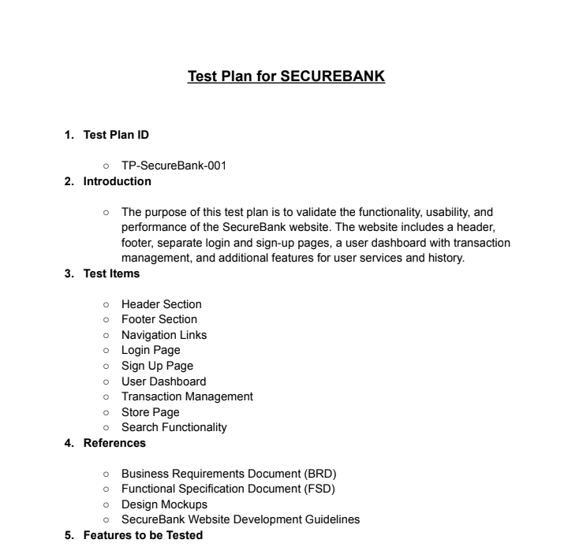

Click Here to See The Test Plan Full Pdf

Mind Maps
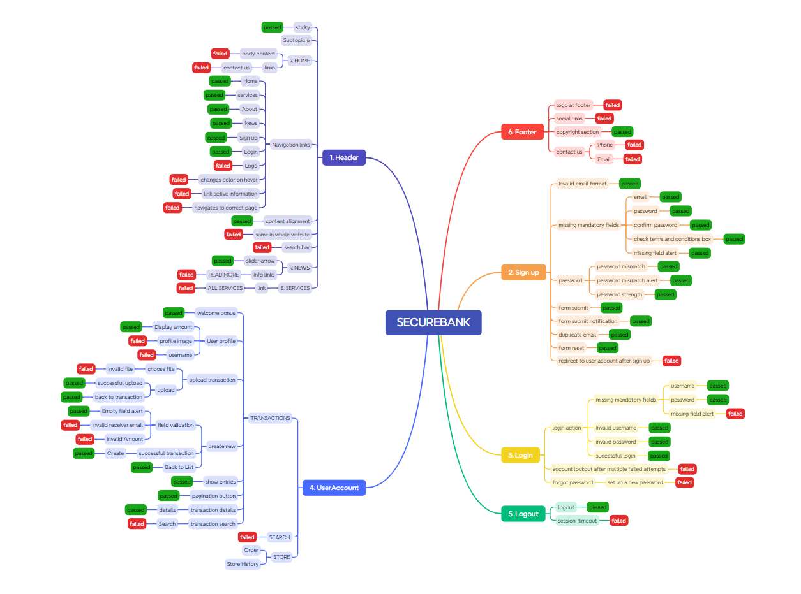

Test Summary Report
Test Case Report |  |  |  |  |  |  | Result :
Project Name | SECUREBANK
Module Name |  |  |  |  |  | Total No. | Status
Feature Name
Test Case Version |  |  |  |  |  | 37 | PASS
Written By | LUBNA |  |  |  |  | 21 | FAIL
Executed By | LUBNA |  |  |  |  | 2 | Not Executed | New Features:- | Testing Scope:- | Testing Environment :Google Chrome Browser
Reviewed By | Ehsanul Alam Sabbir |  |  |  |  | 0 | Out of Scope
TEST EXECUTION REPORT
Test Case Report
Test Case | PASS | FAIL | Not Executed | Out Of Scope | Total TC
 | 37 | 21 | 2 | 0 | 60
Grand Total | 37 | 21 | 2 | 0 | 60

LIMITATIONS
Documents |  |  |  | Received | Useful
PRD |  |  |  | No | No
USER STORY |  |  |  | No | No

 | Testing Type in Scope | Description

Yes/ No. Justification (If No): | Functional Testing | Validation of the core functionalities of the SecureBank website, including navigation links, user authentication (login/sign-up), dashboard operations, and transaction processes.

Yes/ No. Justification (If No): | Usability Testing | .

Yes/ No. Justification (If No): | Negative Testing

Yes/ No. Justification (If No): | Integration Testing

Yes/ No. Justification (If No): | Browser Compatibility Testing

Yes/ No. Justification (If No): | Boundary Value Testing

Yes/ No. Justification (If No): | Risk Based Testing Or Regression Testing

